Samples
Budget Reallocation for 100% funded Projects e.g. Commercialisation Fund | Change of Principal Investigator

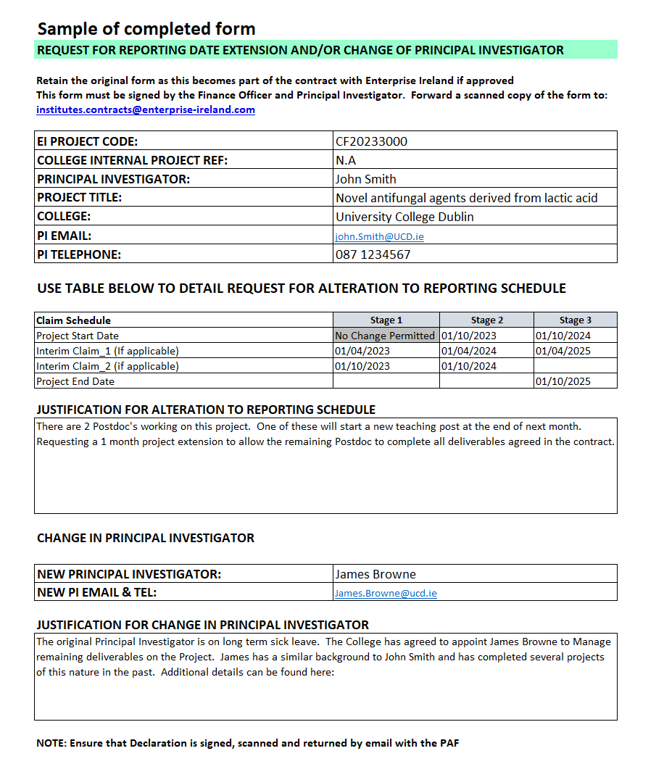
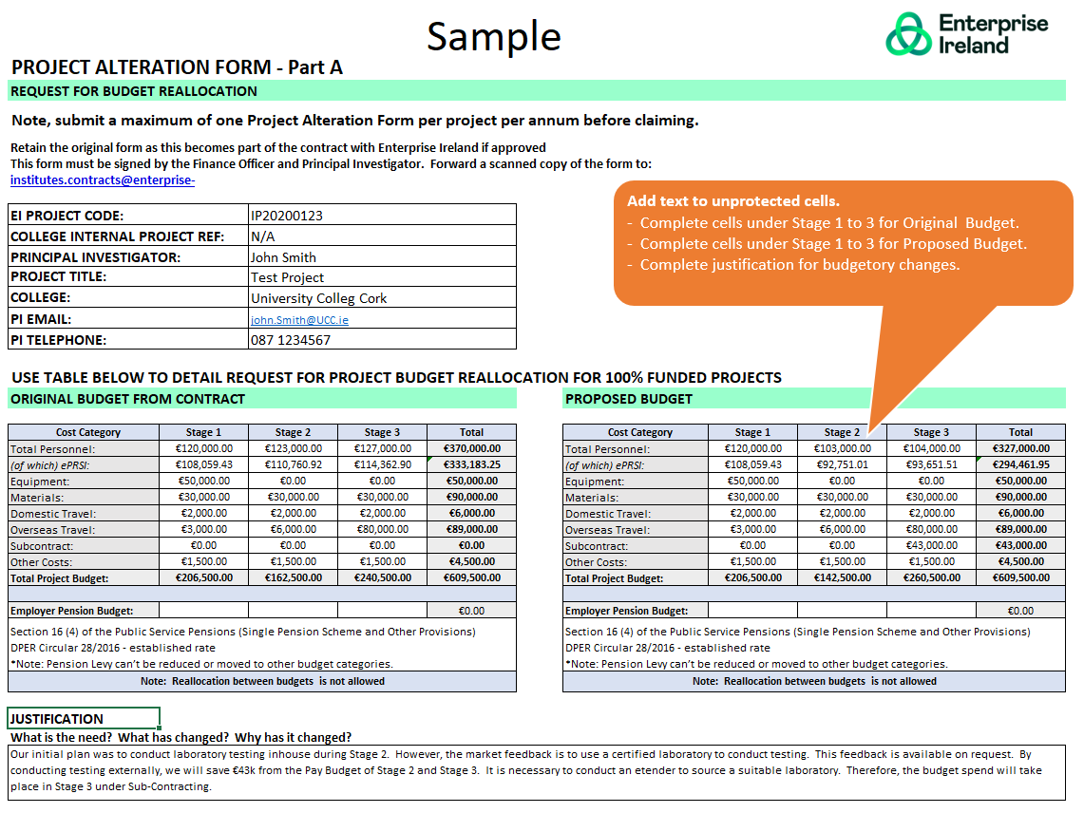

Budget Reallocation for co-funded Projects

